ORDER FORM


Official IELTS Practice Materials Order Form

Official IELTS Practice Materials with CD and sample answers
Updated March 2009

Approved by British Council, IDP:IELTS Australia and Cambridge ESOL, these materials have been produced according to the Cambridge ESOL Question Paper Production cycle. The Official IELTS Practice Materials contains samples of all four modules of the test.
The IELTS Official Practice Materials were rebranded and reprinted, with a new front cover, in March 2010. Please note, these are not new practice materials. The IELTS Official Practice Materials content remains the same as earlier versions.
The Official IELTS Practice Materials with CD and sample answers costs £10. To place an order:
• Complete this form electronically and email it to ESOLinfo@CambridgeESOL.org
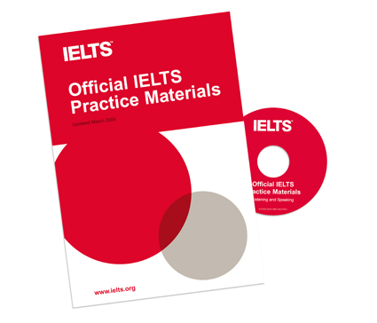
• Complete this form electronically, print it out and post to:
Cambridge ESOL Publications
1 Hills Road
Cambridge
CB1 2EU
United Kingdom
or
Fax to + 44 1223 553036

• Or click here to order from our e-shop

We always despatch orders as quickly as possible, but you should allow 30 days for delivery. Cambridge ESOL is not responsible for any customs charges or taxes that may be charged locally.

Please send | 0 |  | copy/copies of the Official IELTS Practice Materials

Delivery Address

Name

Address

City/Town

Post Code

Country | Please select from list….

Email

Phone number

Order Summary

Cost of products | £0.00

Postage rate | £0.00

Total cost including postage | £0.00

Payment Details

Cardholder's Name

Card Number |  |  |  | / |  |  | / | /

Start Date |  | / |  |  | (MM/YY) | End Date |  |  | / | (MM/YY)

Switch issue number

Signature |  |  |  |  |  |  |  | (typed signature is acceptable)

